Form Instructions
The Chapman University expense report shall be used for reporting approved relocation expenses. The form has been designed to comply
with requirements of the California tax code as applied to "making an adequate accounting of your expenses to your employer."
 | ***NOTE*** Please see IRS form 521 for descriptions of qualified moving expenses

Instructions for preparing the expense report: Sort your receipts by date. Enter all expenditures for the day on one line.
You may combine mulitple receipts in a category for the same day (e.g. if you stop for gas twice in one day you may combine the total of both receipts)

The number used refers to that number on the form which may require additional instructions.
 | ( 1) Enter traveler's name. | (11) Ground transportation cost of taxi, shuttle, truck rental, etc.

 | ( 2) Enter department name. | (12) Air transportation. Coach seats and baggage fees
 |  | Any seat upgrade fees are the responsibility of the employee
 | ( 3) Fund/Dept/Program, Account# 520110.
 | (Completed by supervisor/Dept Admin) | (13) Household Move & Supplies: Cost of movers, packers, loaders,
 |  | transportation of goods including insurance, boxes, packing materials
 | ( 4) Enter date that report is made.
 |  | (14) Actual gas & oil expenses incurred during relocation
 | ( 5) Relocation From-To Complete addresses | on rental vehicle or in lieu of mileage on a personal vehicle

 | ( 6) Date of expenditure. If trip is over 7 days, use | (15) Hotels: Cost of hotel stay(s) during relocation up through
 | second form. | and including night of arrival to the Chapman area

 | ( 7) Description of expense | (16) Daily Subtotal

 | (8) Meals at federal per diem rate | (17) Select if that day's expense was for relocation or a house hunting
 | Applicable only if overnight travel was required | trip. Your supervisor or dean may approve one separate house hunting
 |  | trip prior to your actual relocation. The total of all expenses reimbursed
 | (9) Miscellaneous: Report all items not otherwise covered | will not exceed your approved moving allowance. Any house hunting
 | in this column such as bridge tolls, parking lots or | expenses incurred after your date of arrival will be considered personal
 | meters, etc. If more space is needed, use (18) or extra | expenses and may not be reimbursed.
 | page.
 |  | (18) Explain any unusual expenditures
 | (10) Mileage on personal vehicle. Attach a copy of Google
 | maps for the route between address of originanation and destination | (19) The employee should submit the form and all receipts to their
 | Additional mileage for necessary rest stops may be included | supervisor (staff/admin) or Dept Admin (faculty) for approval
 | You may combine all mileage for the same trip onto one day/line, | prior to to turning into payroll
 | however if you had mileage for both a house hunting trip and
 | relocation, please enter those miles on different lines

Attach a receipt/documentation for every expense listed on the form.
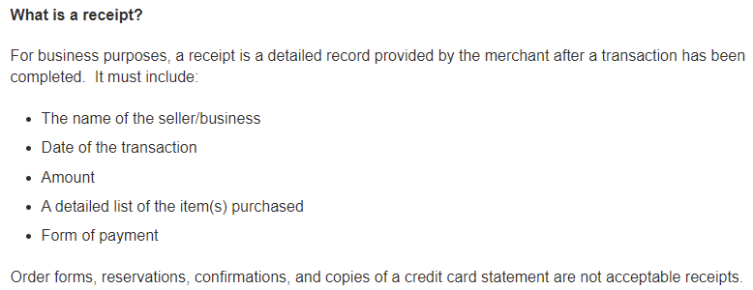

to Payroll

Relocation Expense Form
 |  |  |  | RELOCATION EXPENSE REPORT

Please read the form instructions tab prior to completing |  |  |  |  |  |  |  |  |  |  | (3) Fund/Dept/Program
(1) Name (print) |  |  |  |  |  | (2) Department |  |  |  |  | Account # | 520110 | (4) Date

 |  | From |  |  |  |  | To:
(5) Relocation Addresses

(6) | (7) |  | (8) | (9) | (10) |  | (11) | (12) | (13) | (14) | (15) | (16) | (17)

DATE | Description |  | Meal Per Diem | Misc (Explain below) | Mileage for personal vehicle |  | Ground Transportation | Air Transportation/Baggage Fees | Household Move & Supplies | Gasoline/Oil in lieu of mileage | Hotel | Daily Subtotal | Purpose of Trip
 |  |  |  |  | Miles
 |  |  |  |  | @ |  |  |  |  |  |  | $-
 |  |  |  |  | Total $ | $0.00
 |  |  |  |  | Miles
 |  |  |  |  | @ |  |  |  |  |  |  | $-
 |  |  |  |  | Total $ | $0.00
 |  |  |  |  | Miles
 |  |  |  |  | @ |  |  |  |  |  |  | $-
 |  |  |  |  | Total $ | $0.00
 |  |  |  |  | Miles
 |  |  |  |  | @ |  |  |  |  |  |  | $-
 |  |  |  |  | Total $ | $0.00
 |  |  |  |  | Miles
 |  |  |  |  | @ |  |  |  |  |  |  | $-
 |  |  |  |  | Total $ | $0.00
 |  |  |  |  | Miles
 |  |  |  |  | @ |  |  |  |  |  |  | $-
 |  |  |  |  | Total $ | $0.00
 |  |  |  |  | Miles
 |  |  |  |  | @ |  |  |  |  |  |  | $-
 |  |  |  |  | Total $ | $0.00
 |  |  | $- | $- |  | $0.00 | $- | $- | $- | $- | $- | $-

(18) Explain any entries under Miscellaneous/Unusual expenditures |  |  |  |  |  |  |  | Total Expenses |  |  | $-

 |  |  |  |  |  |  |  | Approved Relocation Allowance Amount

 |  |  |  |  |  |  |  | Amount Due Employee |  |  |  |  | $-
Payroll Use Only
CA Ntxble (243) ____________________
Txble (245) ____________________

I (the employee) certify the expenses were actual and reasonable and incurred
for relocation and that no portion of this claim was provided free of charge,
previously reimbursed from any other source nor will be paid from any future resource.

Employee Signature _________________________________________________ |  |  |  |  |  | (19) | Approved By _______________________________________________________
 |  |  |  |  |  |  |  | Supervisor/Dept Admin

 | Date |  |  |  |  |  | Date |  |  | Return this form and all receipts/documentation to Vi Pham

